BP_Water
Stage | Aspects | KPI | Factory Self-report (Yes / No / NA) | Suggested information for self-report (Column G) | Description by Factory
1 | Water reuse / recycle | Employee awareness in water conservation (e.g. training) 员工对节约用水的认识 (如培训) | Yes | Yes: Please describe how it is done and provide related evidence (e.g. pictures / records) if any. No: Please provide an action plan with responsible person and timeline NA: Please advise why this best practice is not applicable to the facility. | 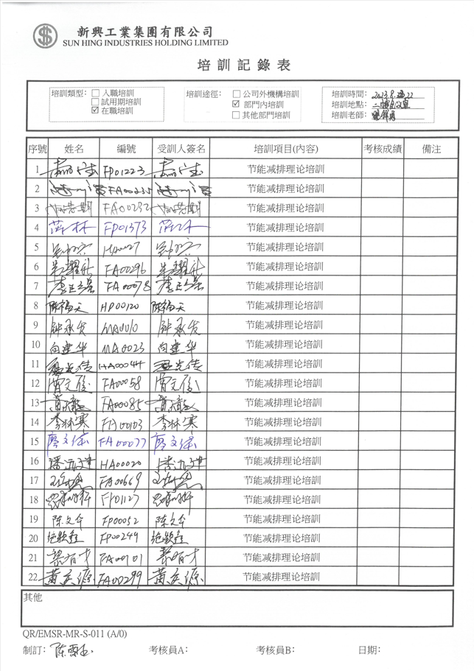 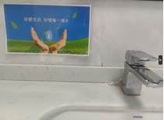 By oganizing relevant training and posting relevant slogans in public to promote awareness of water conservation.Attached:The training record and the picture of posted slogans.
1 | Water reuse / recycle | Install low-flow aerator for all of the faucets to restrict the flow rate to 4-5L/min which is suitable for domestic use while maintaining similar pressure (standard flow rate in LEED is less than 3L/min) 工厂内生活用水, 使用低流量水龙头, 将流量限制在 4-5 l/min | Yes | All: What is the average flow rate (L/min) of faucets at facility for domestic use 生活用水水龙头的平均流量 (l/min) 是多少？ Yes: Please put "NA" under description No: Please provide an action plan with responsible person and timeline NA: Please advise why this best practice is not applicable to the facility. | The average flow rate of faucets at facility for domestic use is 4.5 L/min.
1 | Steam | Maintenance - Fixing water and steam leaks, steam traps. 维护- 水和蒸汽泄漏,维护水蒸气阀门 | YES | Yes: Please advise 1) the name of the responsible person; 2) how often he/ she checks on water / steam leaks and steam traps; 3) provide checking and maintenance records if any No: Please provide an action plan with responsible person and timeline NA: Please advise why this best practice is not applicable to the facility. | 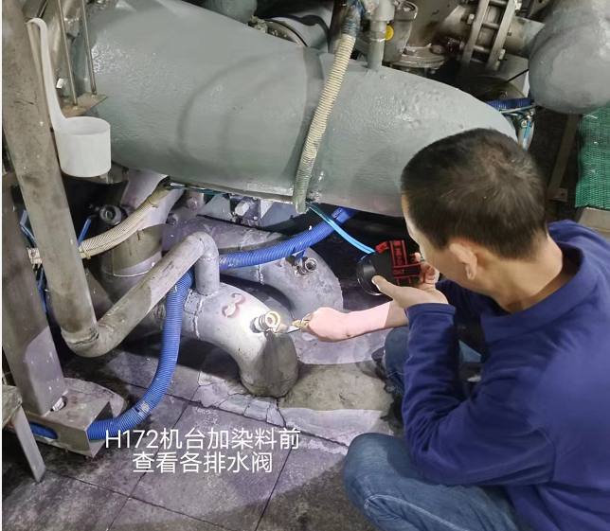 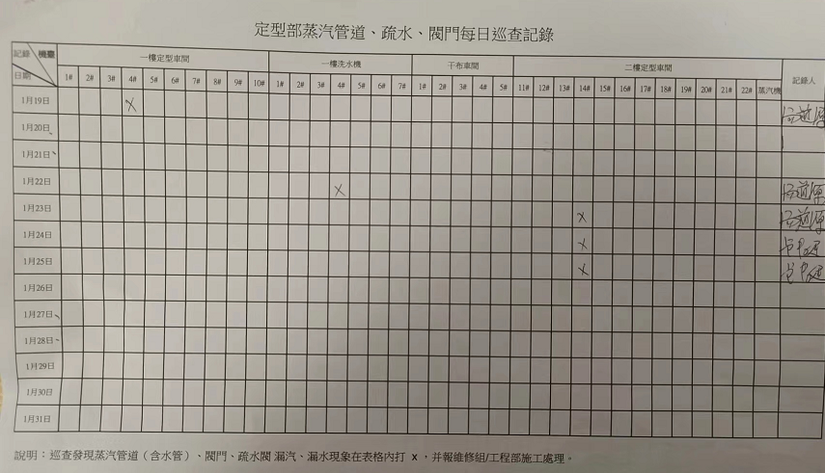 Different departments have different responsibilities,Such as Yufa Huang in finishing department,Guangchuang Wen in dyeing department; They check it one time per day as usually.Attached:The checking record and the checking photoes.
1 | Steam | Insulation for steam pipe to reduce heat loss and additional steam required for heating 水蒸气管道隔热层以减少热能流失和加热所需的额外蒸汽 | YES | Yes: Please provide some pictures showing insulation for steam pipe is in place. No: Please provide an action plan with responsible person and timeline NA: Please advise why this best practice is not applicable to the facility. | 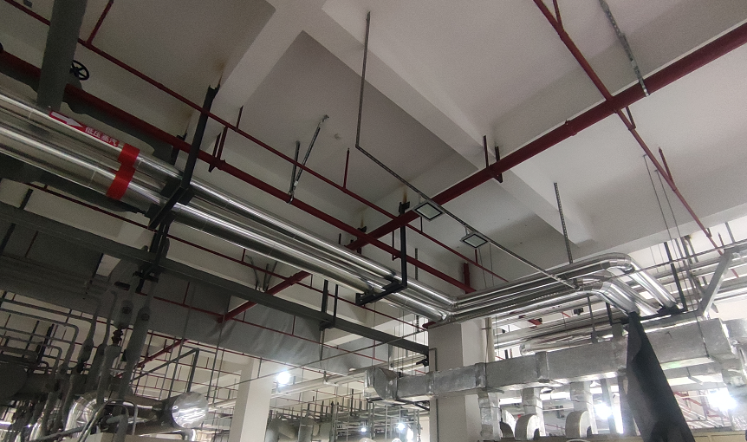 Attached:The picture of insulated steam pipes.
1 | Steam | Insulation for washing tanks / Dry Cans if possible to reduce heat loss and additional steam required for heating (if applicable) 对洗涤缸/干燥罐进行隔热以减少热量损失和加热所需的额外蒸汽 (如適用) | YES | 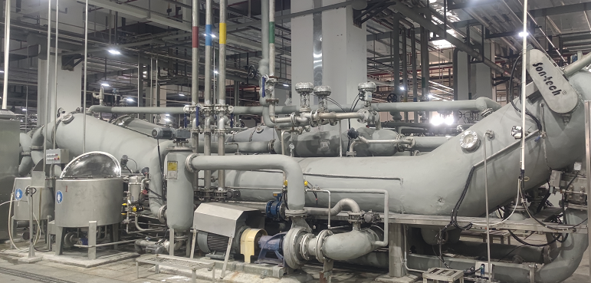 Yes: Please provide some pictures showing insulation is in place. No: Please provide an action plan with responsible person and timeline NA: Please advise why this best practice is not applicable to the facility. | Attached:The picture of insulated equipments.
2 | Steam | Condensate recovery and reuse from heating / drying /finishing machines 冷凝水回收再利用 (烘干机, 后整机) | YES | Yes: Please describe how it is done and provide related evidence (e.g. pictures / records) if any. No: Please provide an action plan with responsible person and timeline NA: Please advise why this best practice is not applicable to the facility. | 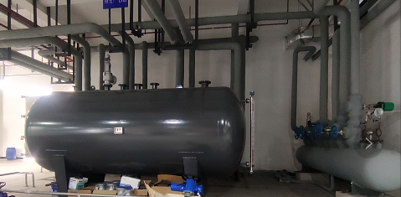 The condensed water is collected in the hot water tank and reused for production.Attached:The picture of recovery condensate pipes and cans.
2 | Water reuse / recycle | Reuse cooling water from - singeing machine - preshrinking - circulating pump - air compressor - mercerizing machine 冷却水回收再利用 (烧毛机/ 预压 /循环泵 /空压机/丝光机) | YES | Yes: Please describe how it is done and provide related evidence (e.g. pictures / records) if any. No: Please provide an action plan with responsible person and timeline NA: Please advise why this best practice is not applicable to the facility. | 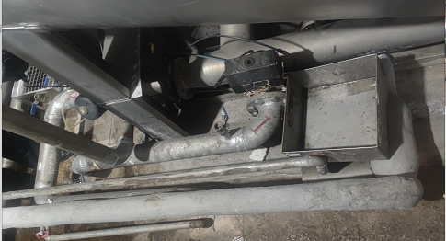 The cooling water is collected and reused for production. Attached:The picture of reused cooling pipes.
2 | Water reuse / recycle | Reuse process water (before treatment) 工艺用水回收再利用 E.g. Reuse last-stage rinse water / from mercerizing/bleaching/ Use gray water instead of clean water in singeing scrubber/ Use gray water instead of clean water in toilets 再利用从丝光或漂白中最后阶段的冲洗水/ 使用未处理过的废水(非干清水) 于烧毛机 / 使用未处理过的废水(非干清水)于冲厕用途 | YES | Yes: Please describe how it is done and provide related evidence (e.g. pictures / records) if any. No: Please describe if any plan for implementation (optional) NA: Please advise why this best practice is not applicable to the facility. | 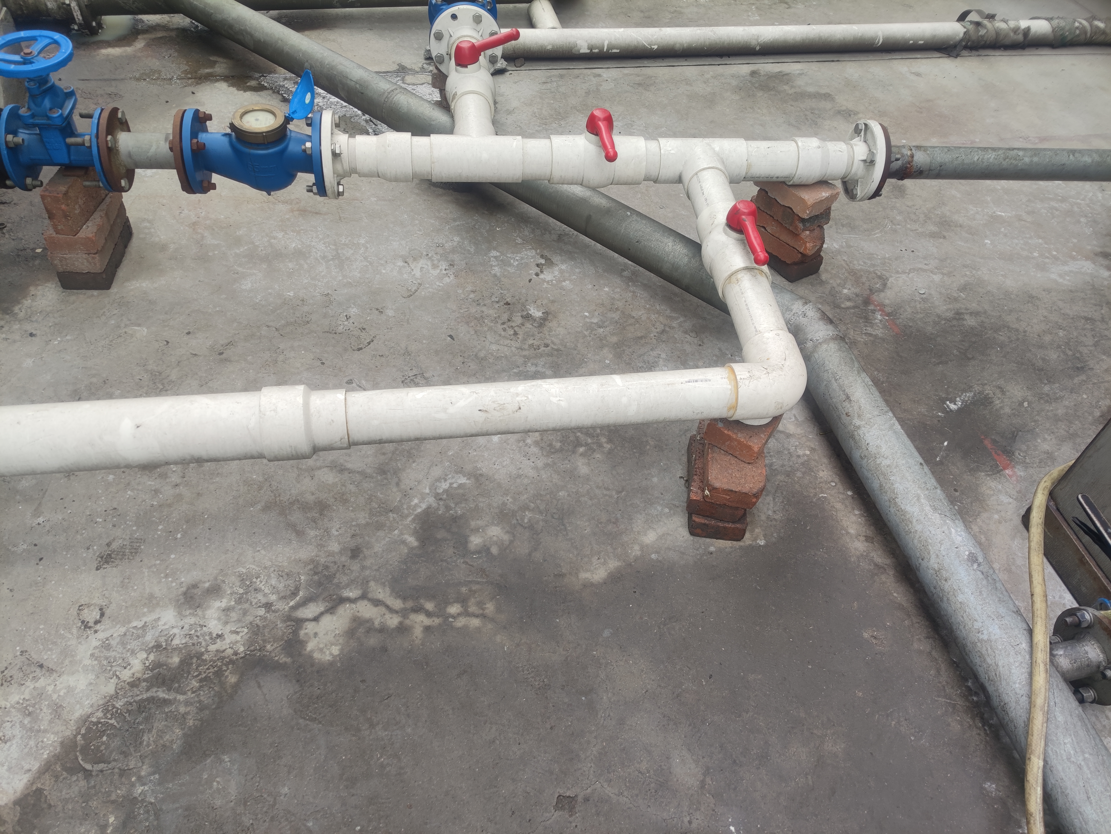 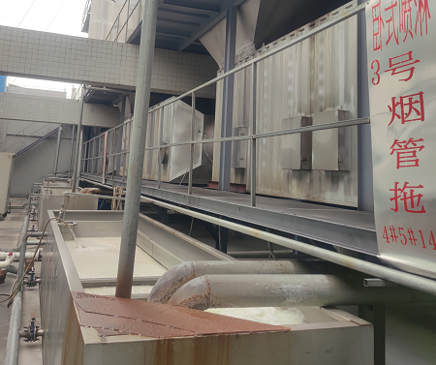 Process water before treatment used in waste gas treatment facilities. Attached:The picture of reused warter pipes and the picture of waste gas treatment facilitie's tank.
3 | Water reuse / recycle | Use treated wastewater back to production 工艺用水回收再利用 | YES | Yes: Please describe how it is done and provide related evidence (e.g. pictures / records) if any. No: Please describe if any plan for implementation (optional) NA: Please advise why this best practice is not applicable to the facility. | 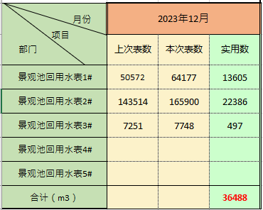 The wastewater is treated by ETP and reused for production. Attached:The record of reused wastewater.
2 | Submetering / auto control | Washing / Dyeing process is sub-metered (workshop level)i.e. Process water use tracking and reporting 车间安装二次水表, 记录和报告洗水用水量 | YES | Yes: Please provide a picture of the sub-meter and the related records if any. No: Please provide an action plan with responsible person and timeline NA: Please advise why this best practice is not applicable to the facility. | Attached:The record of reused wastewater.
3 | Submetering / auto control | Washing and dyeing process is water / energy / steam sub-metered (machine level) for specific machine types, production line etc 水洗/染色工艺特殊的机器信号,生产线等等 | YES | Yes: Please advise how many sub-meters you have installed and for what types of machines No: Please describe if any plan for implementation (optional) NA: Please advise why this best practice is not applicable to the facility. | The washing and dyeing machines have the flowmeter, the liquid level meter ect.
4 | Submetering / auto control | Online real-time automatic wastewater (Quality )废水监测/计量 | YES | Yes: Please put NA under description No: Please describe if any plan for implementation (optional) NA: Please advise why this best practice is not applicable to the facility. | NA
3 | Submetering / auto control | Regular management review of sub-metering data to identify improvement opportunities 定期对次级水表数据进行管理审查, 以找出改善机会 | YES | Yes: Please provide the sub-meter records for last month. No: Please describe if any plan for implementation (optional) NA: Please advise why this best practice is not applicable to the facility. | 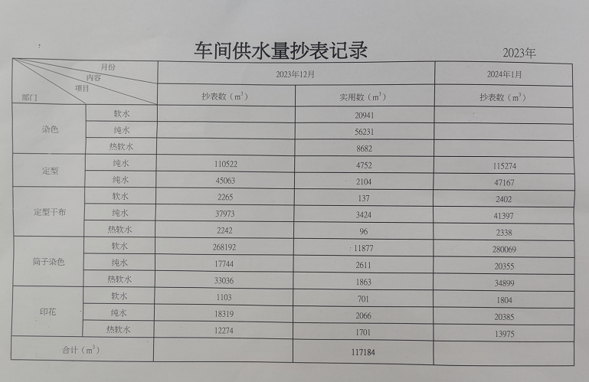 Each department verifies whether the water consumption meets the target requirements every month, and carry out analysis if necessary. Attached:The sub-meter records.
5 | Submetering / auto control | Online real-time automatic water / wastewater / steam monitoring (Quantity) (and if they are connecting the submeters to the ERP system) 在线实时自动用水/废水/蒸汽监测/计量 （另外有否将分表连接到ERP系统） | YES | Yes: Please describe how it is done No: Please describe if any plan for implementation (optional) NA: Please advise why this best practice is not applicable to the facility. | Water is monitored by centralized automatic control system, and wastewater is monitored by online equipment.
3 | Chemical | Improved process management: Work with dye/chemical suppliers to optimize process and completely exhaust dyes and finishes 改进工艺管理：与染料/化学品供应商合作，优化工艺，完全耗尽染料和後整化料 | NA | Yes: Please advise how it is done (e.g. any examples showing collaboration with dye/chemical suppliers for reducing water consumption) No: Please describe if any plan for implementation (optional) NA: Please advise why this best practice is not applicable to the facility. | Improved process is mainly to reduce water consumption and pre-and post-treatment process at present.
4 | Chemical | Report inventory compliance through ZDHC Incheck or BVE3 通过 zdhc InCHECK 或 bve3 报告化学品库存合规情况 | Yes | Yes: Please advise what tool you are using No: Please describe if any plan for implementation (optional) NA: Please advise why this best practice is not applicable to the facility. | We are going to use CleanChain platform to report the chemical compliance level in the first quarter 2024.
4 | Chemical | Chemicals substitution with less environmental impact in latest three years (e.g. phase out of MRSL chemicals, chemicals without disclosure on safety data, environmentally friendly dyes etc.) 最近三年内使用对环境影响较小的化学品替代品（例如淘汰MRSL限制的化学品，没有披露安全数据的化学品; 环保染料等） (E.g. indigo, desizing agents, sulphur black) | Yes | Yes: Please describe how it is done No: Please describe if any plan for implementation (optional) NA: Please advise why this best practice is not applicable to the facility. | We search the chemicals which are complied with ZDHC MRSL requirements.
4 | Chemical | Indigo recycling - Recovery of Indigo from the overflow or dye bath 靛蓝回收 | NA | Yes: Please describe how it is done No: Please describe if any plan for implementation (optional) NA: Please advise why this best practice is not applicable to the facility. | This kind of dyes is not used in the production.
4 | Chemical | Caustic Soda recycling - caustic soda (NaOH) can be cleaned and concentrated 烧碱回收 | NA | Yes: Please describe how it is done No: Please describe if any plan for implementation (optional) NA: Please advise why this best practice is not applicable to the facility. | The consumption and concentration of caustic soda in production are very low.
4 | Chemical | Report wastewater data using ZDHC gateway使用 ZDHC gateway报告废水数据 | YES | Yes: Please put "NA" under description No: Please put "NA" under description NA: Please put "NA" under description | NA
2 | Water reuse / recycle | Use treated wastewater back to domestic use (e.g. irrigation, sanitation, toilet flushing) 回收水再利用於生活用途 | NA | Yes: Please describe how it is done and provide related evidence (e.g. pictures / records) if any. No: Please describe if any plan for implementation (optional) NA: Please advise why this best practice is not applicable to the facility. | The local environmental authorities disapproved of this operation.
5 | Water reuse / recycle | Apply advanced technologies and infrastructure to WWTP (e.g. membrane technologies - MF/UF/NF/RO) 将先进技术和基础设施应用于污水处理厂 (例如膜技术----mf/uf/ro) | YES | Yes: Please advise what tertiary treatment technologies is available in the factory and provide the wastewater treatment plant flowchart No: Please describe if any plan for implementation (optional) NA: Please advise why this best practice is not applicable to the facility. | 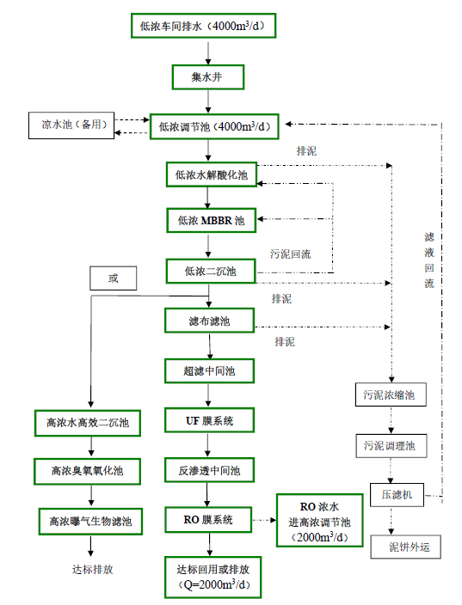 The tertiary treatment technologies have membrane technologies, such as UF, RO ect. Attached:The wastewater of low concentration treatment plant flowchart.
5 | Water reuse / recycle | Zero Liquid Discharge (ZLD) 污水零排放 | No | Yes: Please advise what technology is used for ZLD in the factory and provide the wastewater treatment plant flowchart No: Please describe if any plan for implementation (optional) NA: Please advise why this best practice is not applicable to the facility. | Water-saving targets are set every year to achieve energy saving and emission reduction.
3 | Submetering / auto control | Centralized automatic control for timing and total water volume of overflow in dyeing process 中央控制系统自控溢流水洗时间和总水洗水量 | YES | Yes: Please describe how it is done No: Please describe if any plan for implementation (optional) NA: Please advise why this best practice is not applicable to the facility. | Centralized automatic controls it automatically.
5 | Certificates | Green building certification (e.g. LEED) 绿色建筑认证 (如 leed) | No | Yes: Please provide the LEED certificate No: Please describe if any plan for implementation (optional) NA: Please advise why this best practice is not applicable to the facility.
4 | Certificates | Certificates: ISO14001 / BEPI? | YES | Yes: Please advise which certificates factory got. No: Please describe if any plan for implementation (optional) NA: Please advise why this best practice is not applicable to the facility. | ISO14001
2 | Certificates | BCI registered spinners / fabric mills? | No | Yes: Please advise which certificates factory got. No: Please describe if any plan for implementation (optional) NA: Please advise why this best practice is not applicable to the facility.
3 | Certificates | GOTS, GRS, RCS, OCS certified? | YES | Yes: Please advise which certificates factory got. No: Please describe if any plan for implementation (optional) NA: Please advise why this best practice is not applicable to the facility. | GRS, RCS and OCS
4 | Certificates | Oeko tex certified? | YES | Yes: Please advise which certificates factory got. No: Please describe if any plan for implementation (optional) NA: Please advise why this best practice is not applicable to the facility. | Oeko tex
5 | Certificates | Bluesign certified? | No | Yes: Please advise which certificates factory got. No: Please describe if any plan for implementation (optional) NA: Please advise why this best practice is not applicable to the facility.
NA | Certificates | Any other certificates? 获得业界的相关环保证书 | No | Yes: Please advise which certificates factory got. No: Please describe if any plan for implementation (optional) NA: Please advise why this best practice is not applicable to the facility.
3 | Certificates | Participated in industry water and energy saving program (e.g. NRDC - Clean by Design, idh - Raise to the Top, IFC - PACT, HKPC - Clean Production) 参加行业内节约能源/水的项目 | YES | Yes: Please advise which program factory has joint and which year No: Please describe if any plan for implementation (optional) NA: Please advise why this best practice is not applicable to the facility. | Participated in industry water and energy saving program of customers' ENT Improvement.
5 | Public disclosure | Public disclosure of water footprint, wastewater quality data, chemicals use at least annually (e.g. via IPE, company website, sustainability report, ESG information in financial report) 每年向公众披露水足迹、废水质量数据、化学品使用量 (例如, 通过 ipe、公司网站、可持续性报告) | YES | Yes: Please advise how to access the public disclosed information No: Please describe if any plan for implementation (optional) NA: Please advise why this best practice is not applicable to the facility. | Public disclosure through IPE annually.
5 | Submetering / auto control | Water balance 进行水平衡评估 | YES | Yes: Please provide the water balance report No: Please describe if any plan for implementation (optional) NA: Please advise why this best practice is not applicable to the facility. | 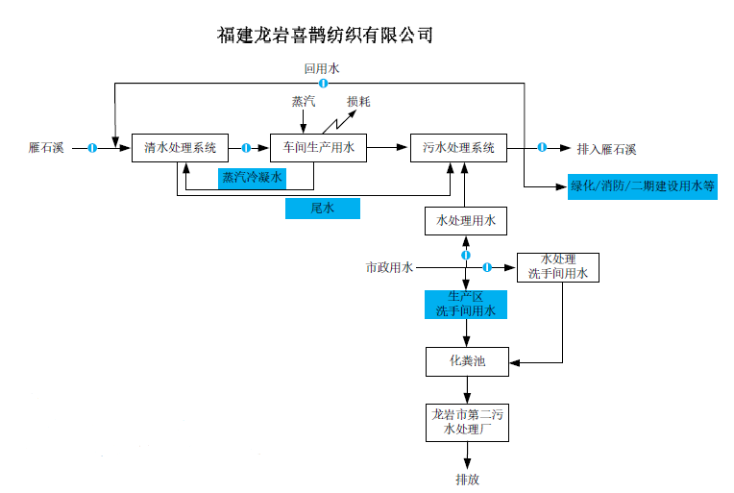 Attached:Water Balance Chart.
TBC | Others | Please specify: |  | Yes: Please describe the best practices No: Please describe if any plan for implementation (optional) NA: Please advise why this best practice is not applicable to the facility.
TBC | Others | Please specify: |  | Yes: Please describe the best practices No: Please describe if any plan for implementation (optional) NA: Please advise why this best practice is not applicable to the facility.
TBC | Others | Please specify: |  | Yes: Please describe the best practices No: Please describe if any plan for implementation (optional) NA: Please advise why this best practice is not applicable to the facility.
4 | Submetering / auto control | Auto chemical dosing system 自动加药系统 | YES | Yes: Please describe how it is done No: Please describe if any plan for implementation (optional) NA: Please advise why this best practice is not applicable to the facility. | Automatic system controls it automatically.
4 | Submetering / auto control | Automatic control of feed water volume for continuous washing machines 工厂的连续水洗机是否使用自控给水系统控制 | YES | Yes: Please describe how it is done No: Please describe if any plan for implementation (optional) NA: Please advise why this best practice is not applicable to the facility. | Automatic system controls it automatically.
4 | Submetering / auto control | Automatic controls, sensors for water level, temperature and timing for all pre-dyeing, dyeing and rinsing and washing processes 自动控制，用于所有预染，染色，漂洗和洗涤过程的水位，温度和时间的传感器 | YES | Yes: Please describe how it is done No: Please describe if any plan for implementation (optional) NA: Please advise why this best practice is not applicable to the facility. | Automatic system controls it automatically.

BP_Energy
Stage | KPI | Facility type | Environmental aspect | Category | Factory Self-report (Yes / No / NA) | Suggested information for description (Column H) | Description by Factory
1 | Employee awareness in energy conservation e.g. regular training about turning off machines/ lightings at the end of the day and when not in use 提高员工在节能方面的意识，例如定期培训 - 每天下班和不使用时关闭机器/照明设备 | All | Energy and Water Use | General | Yes | Yes: Please describe how it is done and provide related evidence (e.g. pictures / records) if any. No: Please provide an action plan with responsible person and timeline NA: Please advise why this best practice is not applicable to the facility. | By oganizing relevant training to promote awareness of energy conservation.Attached:The training record.
4 | Set up auto turn off system for Heating, Ventilation and Air Conditioning (HVAC) system / lighting / other systems 设置供暖，通风和空调（HVAC）系统/照明/其他系统的自动关闭系统 | All | Energy use | General | Yes | Yes: Please describe which system / facility with the auto turn off system No: Please provide an action plan with responsible person and timeline NA: Please advise why this best practice is not applicable to the facility. | Lighting system in public is controlled by timing switch, air Conditioning (HVAC) system which is the ice- water machine is controlled by water temperature, and the constant temperature and humidity chamber in test department is controlled by constant temperature and humidity system.
2 | Energy submetering (workshop level / different departments) 安装能量计量表（车间级别/不同部门） | All | Energy Use | General | Yes | Yes: Please provide a picture of the sub-meter and the related records if any. No: Please provide an action plan with responsible person and timeline NA: Please advise why this best practice is not applicable to the facility. | 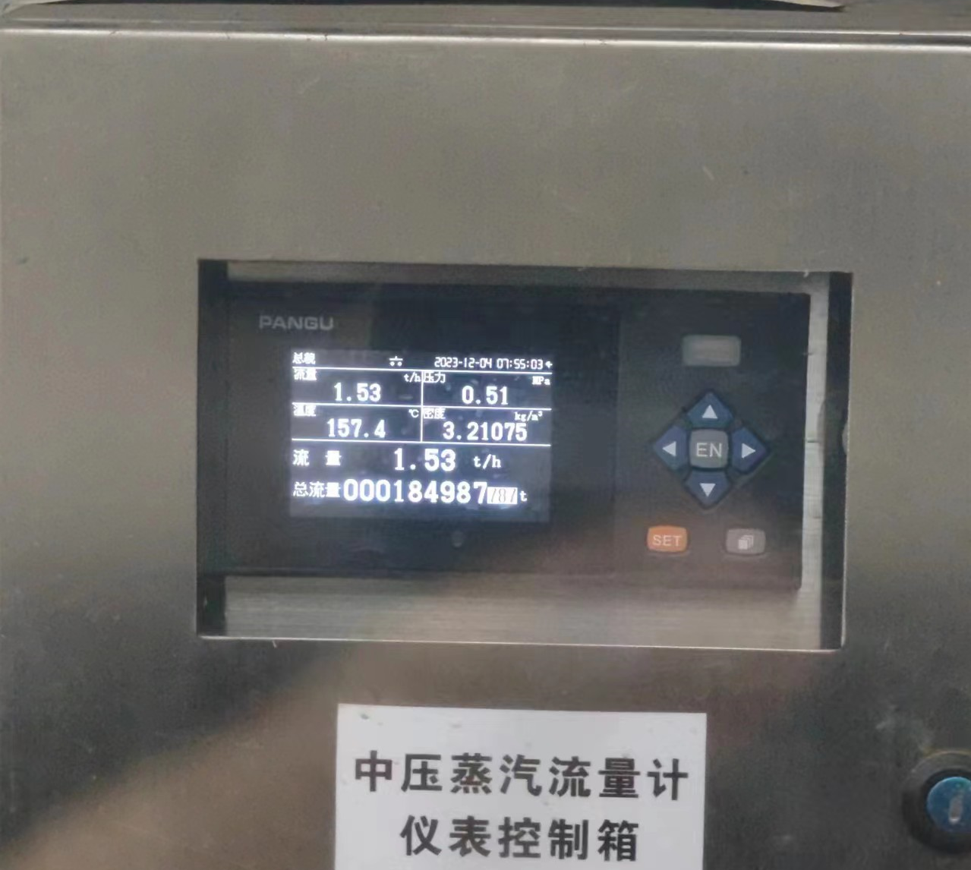 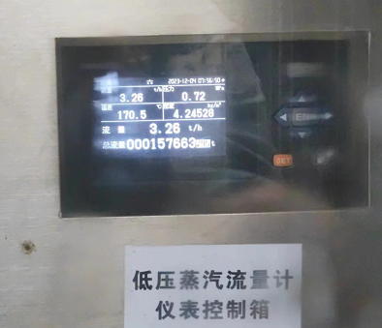 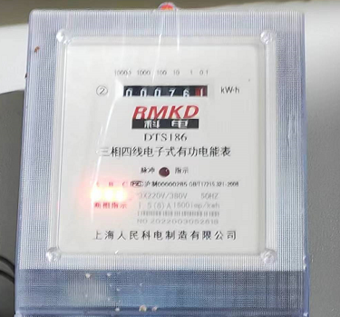 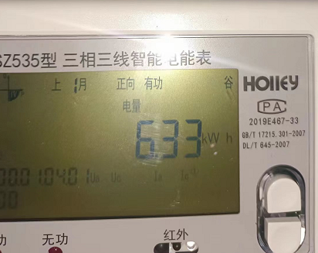 Attached:The photos of the energy sub-meter.
2 | Water submetering (workshop level / different departments) 安装水计量表（车间级别/不同部门） | Cut-sew | Water Use | General |  | Yes: Please provide a picture of the sub-meter and the related records if any. No: Please provide an action plan with responsible person and timeline NA: Please advise why this best practice is not applicable to the facility.
1 | Install low-flow aerator for all of the faucets to restrict the flow rate to 4-5L/min which is suitable for domestic use while maintaining similar pressure (standard flow rate in LEED is less than 3L/min) 工厂内生活用水, 使用低流量水龙头, 将流量限制在 4-5 l/min | Cut-sew | Water Use | General |  | All: What is the average flow rate (L/min) of faucets at facility for domestic use Yes: Please put "NA" under description No: Please provide an action plan with responsible person and timeline NA: Please advise why this best practice is not applicable to the facility.
2 | Power factor at the electrical power system of the factory >95% 工厂电力系统的功率因数 >95% | All | Energy Use | General | Yes | Yes: More than 95% (Please check the distribution panel and take a picture if possible) No: Please provide an action plan with responsible person and timeline NA: Please advise why this best practice is not applicable to the facility. | 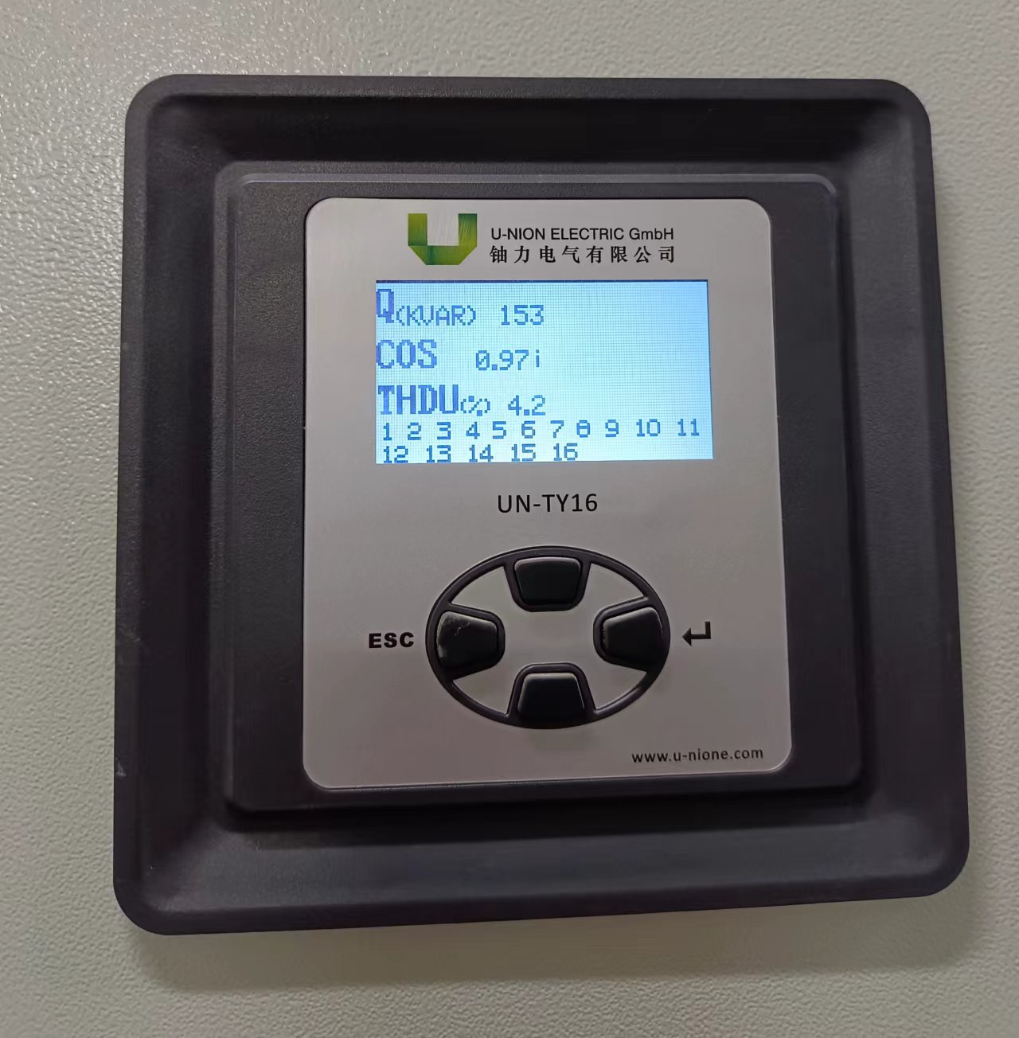 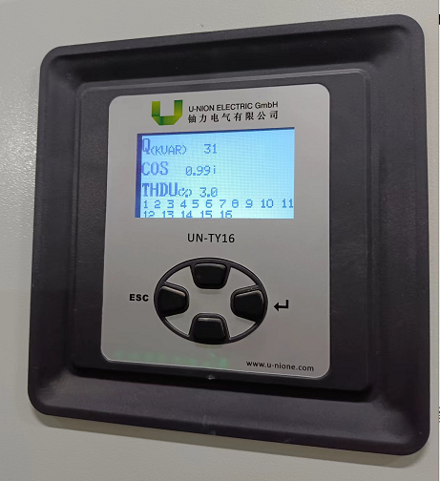 Attached:The photos of the distribution panel.
5 | Green building certification 绿色建筑认证 (e.g. LEED) | Cut-sew | General | General |  | Yes: Please provide the LEED certificate No: Please describe if any plan for implementation (optional) NA: Please advise why this best practice is not applicable to the facility.
5 | Public disclosure of water footprint, wastewater quality data, chemicals use at least annually (e.g. via IPE, company website, sustainability report) 每年公开水足迹，废水质量数据，化学品使用情况 | Cut-sew | General | General |  | Yes: Please advise how to access the public disclosed information No: Please describe if any plan for implementation (optional) NA: Please advise why this best practice is not applicable to the facility.
2 | Other Certificate 其他证书 (e.g. Oekotex, bluesign, GOTs, RCS, LCMP, ISO14001) | Cut-sew | General | General |  | Yes: Please provide the copy of certificates No: Please describe if any plan for implementation (optional) NA: Please advise why this best practice is not applicable to the facility.
4 | Do you generate electricity from solar energy onsite / have renewable energy purchase agreement? 现场太阳能发电/ 可再生能源购买协议？ | All | Energy Use | General - Key | Yes | Yes: Please state __% of total energy consumption is from solar energy generated onsite and __% from renewable energy purchase agreement? No: Please advise if you have done any feasibility study of solar rooftop installation before and whether factory has any plan to install in future. NA: Please advise why this best practice is not applicable to the facility. | 10% around of total energy consumption is from solar energy generated onsite and partly from renewable energy purchase agreement since January,2024.
4 | Participated in industry water and energy efficiency program (e.g. Clean by Design, Raise to the Top, WWF - LCMP, WWF - energy and water efficiency program, PACT, aii- carbon leadership program and etc). 参加了行业节约用水和能源效率计划 | All | Energy and Water Use | General | Yes | Yes: Please state the name of program and the year of participation. No: NA NA: NA | Participated in industry water and energy saving program of customers' ENT Improvement.
2 | Lighting >95% LED / T5 (In general) 一般照明> 95％LED / T5 | All | Energy Use | Lighting | Yes | All: Please advise how many % of lightings are LED Yes: More than 95% No: Please provide an action plan with responsible person and timeline NA: Please advise why this best practice is not applicable to the facility. | 100% of lightings are LED.
2 | Lighting (task light at sewing machine) - >95% LED 照明（缝纫机上的工作灯） | All | Energy Use | Lighting | Yes | All: Please advise how many % of task lights are LED Yes: More than 95% No: Please provide an action plan with responsible person and timeline NA: Please advise why this best practice is not applicable to the facility. | 100% of lightings are LED.
3 | Set standards for lux level of light intensive area (e.g. sewing). 1) Keep the height of light fixtures to around 2 meters 2) Measure the lux level regularly. If the lux level is higher than required, adjust density of light fixtures. 制定照度水平标准（例如缝制车间）。 1）保持灯具的高度在2米左右 2）定期测量照度。 如果照度水平高于要求，请调整灯具的密度。 | Cut-sew | Energy Use | Lighting |  | Yes: 1) Please share the standards for lux level of light intensive area (e.g. sewing) . 2) What is the height (meter) of the light fixtures from the ground. 3) How often do you check the lux level by internal / external? No: Please provide an action plan with responsible person and timeline NA: Please advise why this best practice is not applicable to the facility.
5 | Lighting (Skylighting) 照明（天窗） | All | Energy Use | Lighting | NA | Yes: Factory has introduced skylighting into the building to reduce the number of lightings (e.g. dormitory, canteen, warehouse, production floors) No: Please provide an action plan with responsible person and timeline NA: Please advise why this best practice is not applicable to the facility. | The buildings are glass curtain walls or installed with glass windows to meet lighting requirements, and photo-voltaic power generation devices are installed on the roof.
3 | Install VSD (Variable Speed Drive) for all cooling tower fans 于冷却塔风扇安装VSD 变速驱动器 | All | Energy Use | HVAC | Yes | Yes No: Please provide an action plan with responsible person and timeline NA: No chiller system / Please advise why this best practice is not applicable to the facility.
4 | Installation of VSD (Variable Speed Drive) to all the (AHU) Air Handling Unit if centralized air conditioning system is in place. 如果已安装中央空调系统，则将VSD（变速驱动器）安装到（AHU）空气处理单元。 | All | Energy Use | HVAC | Yes | Yes No: Please provide an action plan with responsible person and timeline NA: No chiller system / Please advise why this best practice is not applicable to the facility.
2 | Install VSD for all chiller water pumps 为冷水机水泵安装VSD | All | Energy Use | HVAC | Yes | Yes No: Please provide an action plan with responsible person and timeline NA: No chiller system / Please advise why this best practice is not applicable to the facility.
1 | Regular monitoring of compressed air leakage 定期监测压缩空气泄漏 | All | Energy Use | Air compressors | Yes | Yes: If factory has dedicated persons to regularly monitor the leakage of compressed air and conduct maintenance. No: Please provide an action plan with responsible person and timeline NA: Please advise why this best practice is not applicable to the facility. | 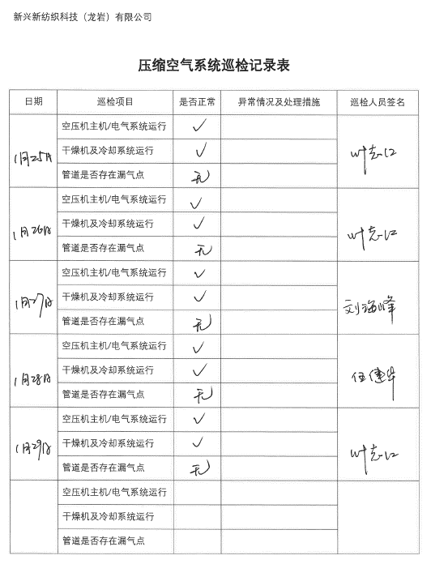 Attached:The monitoring record.
2 | Installation of VSD (Variable Speed Drive) to the air compressor 在空气压缩机上安装VSD（变速驱动器） | All | Energy Use | Air compressors | Yes | Yes No: Please provide an action plan with responsible person and timeline NA: Please advise why this best practice is not applicable to the facility.
2 | Install duct to divert hot exhaust air from the compressor to the outside to lower inlet air temperature 安装排气管道将热的废气从压缩机转移到室外，以降低进气温度 | All | Energy Use | Air compressors | Yes | Yes No: Please provide an action plan with responsible person and timeline NA: Please advise why this best practice is not applicable to the facility.
3 | Coal-fired boiler 淘汰燃煤锅炉 | All | Energy use | Boiler - Key | NA | Yes: No more coal fired boiler on site No: Any feasibility study done for coal-fired boiler phase out / any phase out plan and timeline? NA: Please advise why this best practice is not applicable to the facility. | There is no boiler in the mill.
2 | Boiler efficiency (>95%) 锅炉效率（95％） | All | Energy / Water Use | Boiler | NA | All: Please state the boiler efficiency %. Yes: If the boiler efficiency is 95% or more. No: Please provide an action plan with responsible person and timeline NA: Please advise why this best practice is not applicable to the facility. | There is no boiler in the mill.
1 | Insulation for steam pipe to reduce heat loss and additional steam required for heating 水蒸气管道隔热层以减少人能流失 | Cut-sew | Energy / Water Use | Boiler |  | Yes: Please provide some pictures showing insulation for steam pipe is in place. No: Please provide an action plan with responsible person and timeline NA: Please advise why this best practice is not applicable to the facility.
1 | Install steam trap on condensate pipe to limit flow of steam for ironing process 在冷凝水管上安装疏水阀，以限制熨烫过程中的蒸汽流量 | Cut-sew | Energy / Water Use | Boiler |  | Yes: Yes No: Please provide an action plan with responsible person and timeline NA: Please advise why this best practice is not applicable to the facility.
2 | Optimize steam pressure - Lower and stabilize steam pressure (usually to around 4bar, depending on the pressure requirement of ironing machines) 调节合适的蒸汽压力,-降低和稳定蒸汽压力（通常为4巴左右，取决于熨烫的压力要求） | Cut-sew | Energy / Water Use | Boiler |  | All: Please state how much bar of steam pressure your factory is using (at boiler and also the sewing machines). Yes: Please advise name of the responsible person to maintain the steam pressure No: Please provide an action plan with responsible person and timeline NA: Please advise why this best practice is not applicable to the facility.
2 | Condensate recovery and reuse (ironing) 冷凝水回收再利用(熨烫) | Cut-sew | Energy / Water Use | Boiler |  | Yes: Please describe how it is done and provide related evidence (e.g. pictures / records) if any. No: Please provide an action plan with responsible person and timeline NA: Please advise why this best practice is not applicable to the facility.
2 (50%) 3(80%) 4(90%) | Sewing machine with servo motor (>80%) 带有伺服电机的缝纫机（> 80％） | Cut-sew | Energy Use | Machines / Process |  | All: Please advise how many % of sewing machines are equipped with servo motor. Yes: More than 80% No: Please provide an action plan with responsible person and timeline NA: Please advise why this best practice is not applicable to the facility.
2 (50%) 3(80%) 4(90%) | Cutting machine with servo motor (>80%) 带有伺服电机的缝纫机（> 80％） | Cut-sew | Energy Use | Machines / Process |  | All: Please advise how many % of cutting machines are equipped with servo motor. Yes: More than 80% No: Please provide an action plan with responsible person and timeline NA: Please advise why this best practice is not applicable to the facility.
3 | Regularly check the temperature of all pipes, valves, traps and fittings in the steam distribution system / electrical and mechanical devices (e.g. motors, equipment, electric panels) using a thermal imaging camera 定期使用热像仪检查蒸汽分配系统中所有管道，阀门，疏水阀和配件/电气和机械设备（例如，电机，设备，配电板）的温度，以预测潜在的故障。 | All | Energy Use | Machines / Process | Yes | Yes: Please provide a picture of thermal imagine camera device. How often do you check the temperature of the system/ facility? No: Please provide an action plan with responsible person and timeline NA: Please advise why this best practice is not applicable to the facility. | 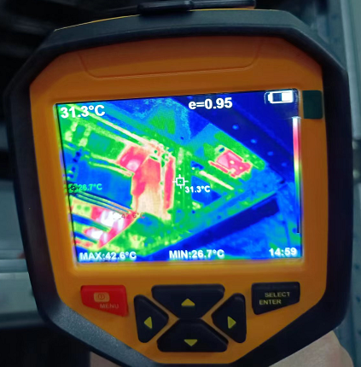 One time per day as usually. Attached:The photo of thermal imagine camera of electrical devices.
2 | Install heat exchanger on stenter to recover heat from hot exhaust air to feed air. 拉幅机排热回收，用于空气预热 | Fabric mill | Energy Use | Machines / Process | NA | Yes: Please describe how it is done and provide related evidence (e.g. pictures / records) if any. No: Please provide an action plan with responsible person and timeline NA: Please advise why this best practice is not applicable to the facility. | The heat temperature of hot exhaust air is too low to meet the heating requirements. At present, the steam recovered by the stenter has already met the drying machines' requirements.
4 | Install conductivity sensors at the drying machines to measure the fabric’s humidity level so as to control the steam supply valves. 在干燥机上安装电导率传感器，以测量织物的湿度水平，从而控制蒸汽供应阀。 | Fabric mill | Energy Use | Machines / Process | Yes | Yes: Please describe how it is done and provide related evidence (e.g. pictures / records) if any. No: Please provide an action plan with responsible person and timeline NA: Please advise why this best practice is not applicable to the facility. | 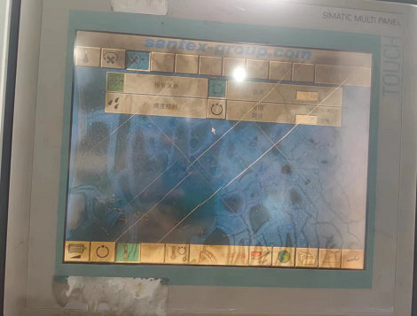 Control by setting temperature and humidity.
 | Others | n/a | Energy and Water Use | General |  | Yes: Please describe how it is done and provide related evidence (e.g. pictures / records) if any.
 | Others | n/a | Energy and Water Use | General |  | Yes: Please describe how it is done and provide related evidence (e.g. pictures / records) if any.
 | Others | n/a | Energy and Water Use | General |  | Yes: Please describe how it is done and provide related evidence (e.g. pictures / records) if any.
 | Others | n/a | Energy and Water Use | General |  | Yes: Please describe how it is done and provide related evidence (e.g. pictures / records) if any.
 | Others | n/a | Energy and Water Use | General |  | Yes: Please describe how it is done and provide related evidence (e.g. pictures / records) if any.

